Process summary
Risk assessment process summary
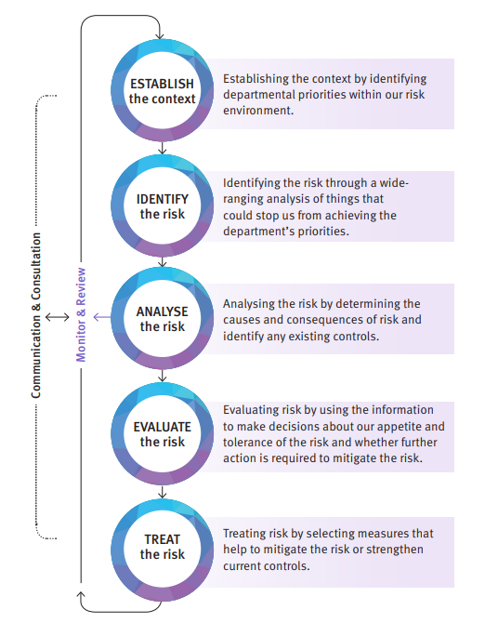 |  | A risk assessment is a structured process with the aim of determining and contextualising any threats to a school’s objectives. A security risk assessment means this process is specific to security related risks. The department’s approach to managing risk is based on AS/NZS ISO 31000:2018: Risk management-Principles and guidelines, and is outlined in the Enterprise risk management procedure. 1. Establishing the context of the risk assessment is ensures that once risks are identified, mitigation measures can be applied which are both proportionate and appropriate. 2. Identifying security related risks. 3. Analysing and assessing the identified risks. 4. Evaluating the overall level of each identified risk. 5. Treating the identified risks.
More information is available in the School security procedure Fact sheet 1: Conducting a security risk assessment:
https://ppr.qed.qld.gov.au/attachment/fact-sheet-1-conducting-a-security-risk-assessment.pdf
Examples of Calculating the Likelihood of an Event

Level | Descriptor | Description |  | Example for Vandalism | Example for Break and Enter
A | Almost Certain | Expected to occur in most circumstances |  | More than once per month | More than 7 times in one year
B | Likely | Willprobably occur in most circumstances |  | Once per month | 5-6 times per year
C | Possible | Might occur at some time |  | Once per one-two months | 3-4 times per year
D | Unlikely | Could occur at some time |  | A few times per year | 1-2 times per year
E | Rare | May occur in exceptional circumstances |  | Once per year | Almost never

Types of Consequence Descriptors and Possible Harm

Example of Consequence Descriptiors for Financial Harm
Level | Descriptor | Description (Example Only)
5 | Catastrophic | No possible funding recovery for function
4 | Major | Critical impact on budget/external recovery funding
3 | Moderate | Serious impact on budget/resource reallocation
2 | Minor | Minor impact on budget/some resources diverted
1 | Insignificant | Managed within functional budget

Example of Consequence Descriptiors for Personal Harm
Level | Descriptor | Description (Example Only)
5 | Catastrophic | Death
4 | Major | Extensive injuries/hospitalisation
3 | Moderate | Medical treatment required
2 | Minor | First aid treatment
1 | Insignificant | No injuries

Example of consequence descriptiors for harm to reputation
Level | Descriptor | Description (Example Only)
5 | Catastrophic | Total loss of confidence, long term recovery needed
4 | Major | Public confidence shaken but not totally lost
3 | Moderate | Damage control plan required to be implemented
2 | Minor | Some media attention, reputation questioned
1 | Insignificant | No outward impact

Example of consequence descriptors for occupational violence
Level | Descriptor | Description (example only)
5 | Catastrophic | Physical or Psychological abuse with ongoing or terminal impact
4 | Major | Physical abuse, e.g. hitting, spitting, kicking, throwing objects
3 | Moderate | Psychological abuse e.g. intimidating language, threats to inflict harm, sexual harassment
2 | Minor | Harassment or aggressive behaviour that creates a fear of violence e.g. threats, abuse
1 | Insignificant | Non-targeted verbal abuse, e.g. shouting, swearing, insults, condescending language

Overall Levels of Risk

Likelihood | Consequence
 | Insignificant | Minor | Moderate | Major | Critical
Almost Certain | Medium | Medium | High | Extreme | Extreme
Likely | Low | Medium | High | High | Extreme
Possible | Low | Medium | Medium | High | High
Unlikely | Low | Low | Medium | Medium | High
Rare | Low | Low | Low | Low | Medium

